Sheet1
KB203W KB Battery Life Test Report

1.Condition : | FW:KB203W-W V1.0

2.Test date :2023/08/30

3.Instrument

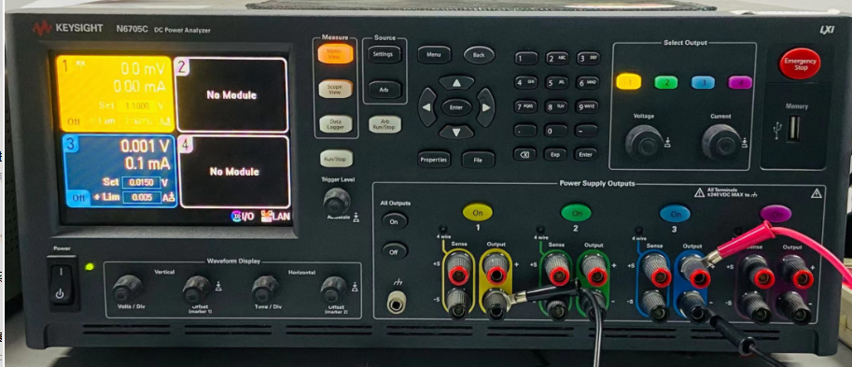

4.Results
Sample | V_BATT=1.5V |  |  | V_BATT=1.1V |  |  | Data Logger
 | Active[mA] | idle [uA] | Sleep[uA] | Active[mA] | Sleep [uA] | Sleep[uA] | 1.5v | 1.1v
1# | 2.78 | 61.8 | 18.1 | 3.55 | 68.3 | 19.2
2# | 2.7 | 58 | 15 | 3.72 | 73.1 | 18.75
3# | 2.88 | 59 | 14.7 | 3.95 | 72.7 | 18.3
AVG | 2.79 | 59.60 | 15.93 | 3.74 | 71.37 | 18.75

 |  | KB203W-Eos Keyboard(Traditional) |  |  |  |  |  |  | KB203W-Eos Keyboard(Aggressive)
 | Battery Type |  | AAAx1 |  |  |  |  | Battery Type |  | AAAx1
 | Voltage |  | 1.5 |  | 1.1 |  |  | Voltage |  | 1.5 |  | 1.1
 |  |  | Duration | mAh |  |  |  |  |  | Duration | mAh
 | Active |  |  | 2.790 |  | 3.740 |  | Active |  |  | 2.790 |  | 3.740
 | Rest1 |  | 2sec | 0.060 | 2sec | 0.071 |  | Rest1 |  | 2sec | 0.060 | 2sec | 0.071
 | Rest2 |  | 10min | 0.016 | 10min | 0.019 |  | Rest2 |  | 10min | 0.016 | 10min | 0.019

 | Power off |  |  | 0.000 |  | 0.000 |  | Power off |  |  | 0.000 |  | 0.000

 | Average |  |  |  |  |  |  | Average
 |  |  | Active | 3.265 |  |  |  |  |  | Active | 3.265
 |  |  | Rest 1 | 0.065 |  |  |  |  |  | Rest 1 | 0.065
 |  |  | Rest 2 | 0.017 |  |  |  |  |  | Rest 2 | 0.017
 |  |  | Power off | 0.000 |  |  |  |  |  | Power off | 0.000

 |  |  | % per day | hrs per day | mA |  |  |  |  | % per day | hrs per day | mA
 | 8 hrs working | Active | 4.17% | 1.00 | 3.265 |  |  | 8 hrs working | Active | 3.13% | 0.75 | 2.449
 |  | Rest1 | 1.50% | 0.36 | 0.024 |  |  |  | Rest1 | 1.50% | 0.36 | 0.024
 |  | Rest2 | 27.67% | 6.64 | 0.115 |  |  |  | Rest2 | 28.71% | 6.89 | 0.120

 | 16 hrs Night | Rest2 | 66.67% | 16.00 | 0.278 |  |  | 16 hrs Night | Rest2 | 66.67% | 16.00 | 0.278
 | Day (mAh) |  | 100.00% | 24.00 | 3.682 |  |  | Day (mAh) |  | 100.00% | 24.00 | 2.870
 | week(mAh) |  | 5 days a week |  | 19.245 |  |  | week(mAh) |  | 5 days a week |  | 15.184
 | Battery Capacity |  |  | 1200 | 1020 | 85% |  | Battery Capacity |  |  | 1200 | 1020 | 85%
 | Battery life(week) |  |  |  | 53.0 |  |  | Battery life(week) |  |  |  | 67.2
 | Battery life(Year) |  |  |  | 1.0192401734 |  |  | Battery life(Year) |  |  |  | 1.291825806
 |  |  |  |  | 371.00342311 | 12.36678077 |  |  |  |  |  | 470.22459339 | 15.674153113
 |  |  |  |  | Day | Month |  |  |  |  |  | Day | Month

Tips: | Actual data need to case by case modify |  |  |  |  |  |  | Tips: | Actual data need to case by case modify
计算逻辑： | 每天持续工作时间：1小时，夜晚、周末假日不关机 |  |  |  |  |  |  | 计算逻辑： | 每天持续工作时间：0.75小时，夜晚、周末假日不关机
电池Spec： | AA 3000mAh; AAA 1200mAh |  |  |  |  |  |  | 电池Spec： | AA 3000mAh; AAA 1200mAh

